Sheet1
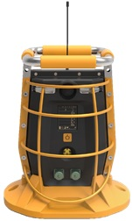
HONEYWELL BW™ RigRat
RUNTIME ESTIMATION CALCULATOR
Select your options from the list below:

Base unit including EC (Electrochemical) Sensor | Yes | LCD auto OFF, NO alarm!
GPS (Global Positioning System) | No
Wireless Router or Closed Loop | No
Wireless STD | No
Whittle LEL (1-Series Sensors) | Yes
Low Power LEL | No
PID Sensor (Photoionization Detection Sensor) | No
High power LEL IR sensor | No
High power CO₂ IR (Infrared) | No
Pump | No | Pump work to -20oC




Total Capacity - mAh | 2592 | If less than 2200, the monitor will run continiusly with IS charger

8.7 Days
5.2 Days
0.9 Days
2.6 Days

Runtime at 20°C
Runtime at -20°C
Runtime at -40°C NOT RECOMMENDED for general use consult technical support ! Diffusion Only; temperature too low cause runtime almost only from battery pack
Runtime at -40°C Only for Low Power version: LP IR LEL, O2, H2S, CO and SO2. No Wireless router function or GPS

